STH Live Project Test Cases
 | Project Name | CRC car rental management system
 | Team Name | IFB-299 Group 77 (Team-A)
 | Documented by | Keonwoo Lee
 | Date of creation | DATE
 | Date of review | DATE

Test case ID | Test Objective | Precondition | Steps: | Test data | Expected result / Acceptance criteria | Post-condition | Test Status
CRCTC01 | View the company's management system welcom page through a URL to perform a general look and see what it offers | 1. A certain browser should be installed in the user's computer (e.g. Google Chrome) 2. All the essential resources are to be set up to run the project (e.g Python, Django scripts, MySQL and so on; the resources are available in the team's Github repository) | 1. Run the web project on the local instance of the Django server | A valid URL http://127.0.0.1:8000/ | User should be directly navigated to the welcome page. Welcome page should allow following mens representing different functionalities offered through the company's management system. 1. Login 2. SignUp 3. Advertisements (including both of some cars and the company) 4. Management System (including browser, history and record) 5. Customer accessible page (click here if you are a customer) 6. Logout | 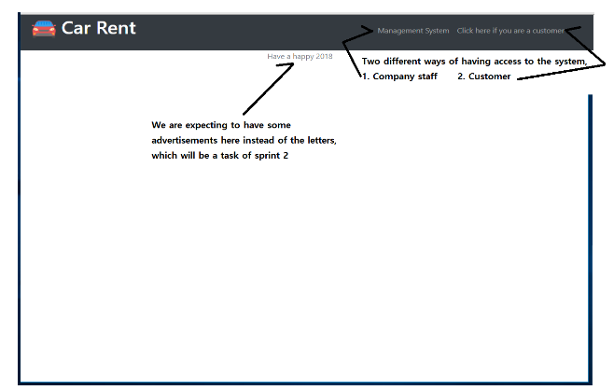 User should be able to navigate to different pages of the web application using the different menu buttons. | Passed
 |  |  | 2. Start any web browser of your choice (e.g. Chrome)
 |  |  | 3. Enter the URL http://127.0.0.1:8000/ in the address bar of the web brwoser. NOTE: The port number for website URL may vary in accordance with the server configuration. Please check the server logs to confirm the port number as shown in the following sccreenshot
CRCTC02 | User can create a new account through the registration page | 1. The web application is launched on a compatible browser 2. Sign up details are to be primitively ready | 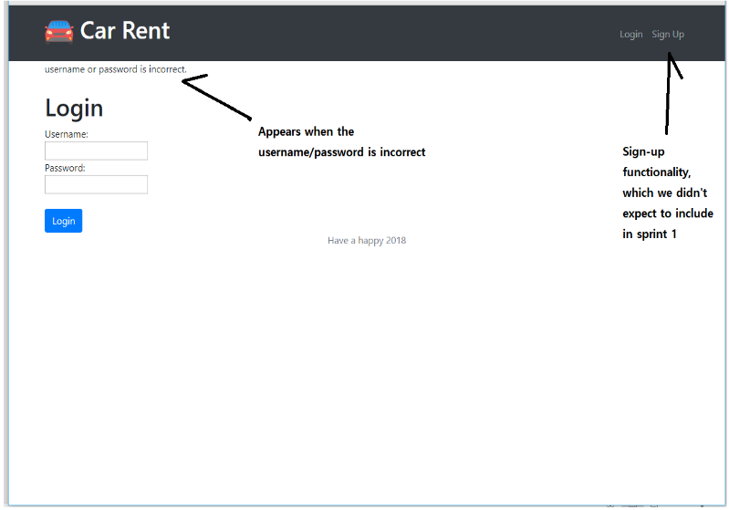 1. Click on the "Management system" menu to naviagate to the login page 2. Cliick on the "Sign up" button to navigate to the registration page 3. Fill in all the required fields in the login account registration form 4. Submit the filled-in form through by clicking the "Sign up" button below the form | A valid Username: 123, Password : 123 | 1. When the user clicks the “Management system” menu item, he or she is navigated to the Login page. 2. The login page should then contain text fields for Username and Password, a "Login" button and "Sign up" button. 3. When the user clicks the "Sign up" button, he or she is navigated to the registrattion page 4. Once the user submits the form with all the required fields filled up, a new account is created with the provided creadential and the account details are stored in the MySQL database. 5. User is then presented with welcome page and is now able to navigate to have access to the management system ( browser, history and record menu) NOTE: A randomly generated account number will be allocated to the new user and the relevant details will be stored in the database table | User is then presented with welcome page and is now able to have access to the different menu items (history, browser and record menus) NOTE: the user account is automatically logged in after the first registration | Passed

CRCTC03 | Password field in the Account Creation form are masked with asterisk for each character typed in. | 1. The web application is launched on a compatible browser 2. The user already owns an account | 1. Click on the "Management system" menu to naviagate to the login page 2. Fill in the Password field | A valid Password: 123 | The entries in the Password field should be masked with asteriks as the user types in | 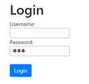 User can log in securely | Passed
CRCTC04 | The company user will be able to have access to the main menu by login with their own signed up password and username. | 1. The web application is launched on a compatible browser 2. The user already owns an account | 1. Click on the "Management system" menu to naviagate to the login page 2. Fill in the Username field 3. Fill in the password field 4. Click on the "Login" button | A valid Username: 123, Password : 123 | 1. A neat and clear interface 2. Allowing the user to login with a previously set username/password (CRCTC02) 3. Covering passwords in asterisks (CRCTC03) 4. An error message text box popping up when wrong username/password typed | User is presented with welcome page and is now able to have access to the different menu items (history, browser and record menus) NOTE: An error message text box doesn’t pop up, but instead it is instantly displayed on the current page | Passed
CRCTC05 | The customers will be able to have access to the web application even without logging in, and to view car recommendations based on their conditions | 1. The web application is launched on a compatible browser | 1. Click on the "Click here if you are a customer" button | A valid URL http://127.0.0.1:8000/ | 1.Allowing user to have a certain access to the system without logging in 2.Allowing user to view some car recommendations | The user does have the access to a page titled ‘Customer accessible page’ by clicking ‘click here if you are a customer’, but is not able to view any car recommendations. | Failed
CRCTC06 | The board of CRC will be able to browse particular information by typing inputs in the input field provided. | 1. The web application is launched on a compatible browser 2. An user account is already logged in 3. Retrieiving information data from MySQL is enabled |  |  |  |  | Passed

CRCTC07 | The company staffs will be able to store particular information using blank inputs fields and some functional buttons provided. | 1. The web application is launched on a compatible browser 2. An user account is already logged in |  |  |  |  | failed
CRCTC08 | The management staff will be able to manage (navigate, edit, delete and load) all the collected data. |  |  |  |  |  | Passed
 |  |  |  |  |  |  | Passed
 |  |  |  |  |  |  | Passed
 |  |  |  |  |  |  | Passed
 |  |  |  |  |  |  | Passed
 |  |  |  |  |  |  | Passed

